Summary
 Amazon - overstock/box damage |  |  | 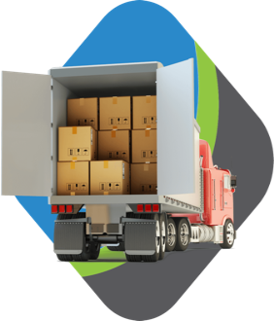
BOL | Units | Total Price | Sell Price | Total Savings
AVP3_063020_1 | 116 | $40,420.30 | $17,375.00 | 57%
AVP3_063020_2 | 105 | $30,274.66 | $13,625.00 | 55%
DET2_070620_1 | 1063 | $49,241.50 | $15,375.00 | 69%
RIC3_070720_1 | 107 | $34,103.28 | $15,625.00 | 54%
RIC3_070720_2 | 103 | $30,944.88 | $14,250.00 | 54%

